amazon.co.uk
Product name | Product link |  |  |  | Quantity | Unit price | Quantity | Total Cost | Total RRP
Bike bottle cage |  |  | 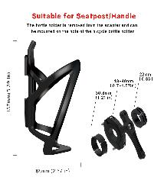 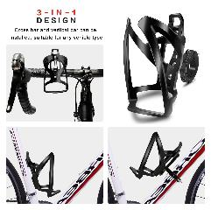 |  | 361 | £13.99 | 361 | £0.00 | £5,050.39
Bike bottle cage |  |  | 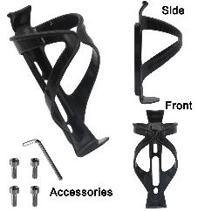 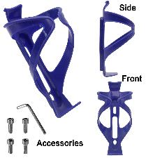 | 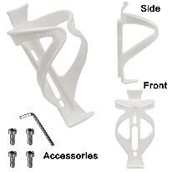 | 931 | £9.99 | 931 | £0.00 | £9,300.69
Children's protective gear set |  |  | 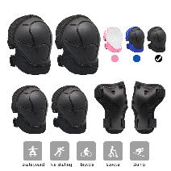 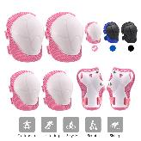 | 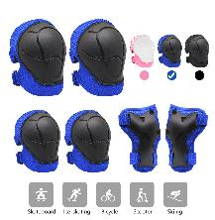 | 757 | £9.99 | 757 | £0.00 | £7,562.43
cable Velcro |  | Pack of 3 cable ties | 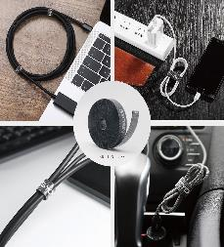 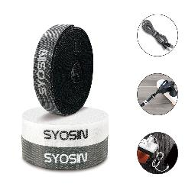 | 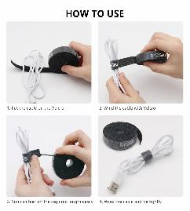 | 176 | £7.99 | 176 | £0.00 | £1,406.24
water gun | https://www.ebay.co.uk/itm/284268371303?hash=item422fb71d67:g:-xsAAOSwqptgggpk | link is example of similar but mine is 400ccc picture is correct and two guns | 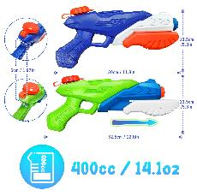 link is example of similar but mine is 400ccc picture is correct and two guns |  | 168 | £15.99 | 168 | £0.00 | £2,686.32
water gun | https://www.ebay.co.uk/itm/284268371303?hash=item422fb71d67:g:-xsAAOSwqptgggpk | link is example of similar but mine is 400ccc picture is correct | 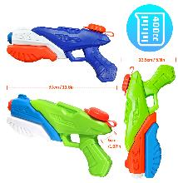 |  | 189 | £18.99 | 189 | £0.00 | £3,589.11
Travel sub-bottling | https://www.ebay.co.uk/sch/i.html?_from=R40&_trksid=p2047675.m570.l1313&_nkw=100X+Empty+Refillable+Plastic+Bottle+With+Key+Ring+Travel+Sanitizer+Bottle+50ml&_sacat=0 | link is example of similar picture is correct | 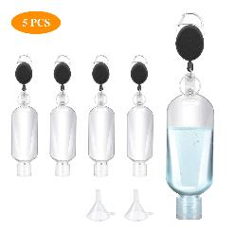 | 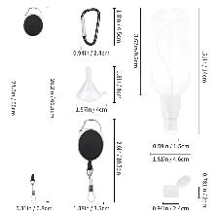 | 1746 | £9.99 | 1746 | £0.00 | £17,442.54
Travel sub-bottling | https://www.ebay.co.uk/sch/i.html?_from=R40&_trksid=p2047675.m570.l1313&_nkw=100X+Empty+Refillable+Plastic+Bottle+With+Key+Ring+Travel+Sanitizer+Bottle+50ml&_sacat=0 | link is example of similar picture is correct | 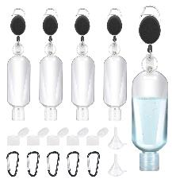 | 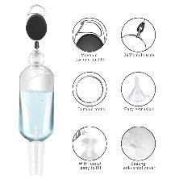 | 722 | £9.99 | 722 | £0.00 | £7,212.78
bathroom kitchen shelf | https://www.amazon.co.uk/YIGII-Bathroom-Corner-Storage-Shower/dp/B07XXWYR3N/ref=zg_bs_3178508031_51?_encoding=UTF8&psc=1&refRID=K7WVPPXEP791H33RXJ21 | link is correct |  |  | 192 | £15.99 | 192 | £0.00 | £3,070.08
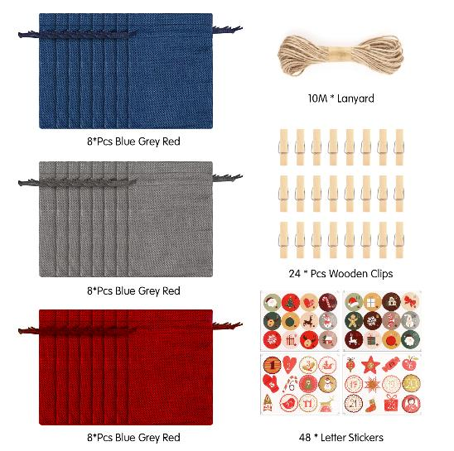
 | https://www.ebay.co.uk/itm/363501837849?hash=item54a265de19:g:5A0AAOSwKTNhE4nL | Link is example of similar picture is correct |  |  | 374 | £9.99 | 374 | £0.00 | £3,736.26
 |  |  |  |  | 5616 |  |  | £0.00 | £61,056.84
 |  |  | 

